Cover page
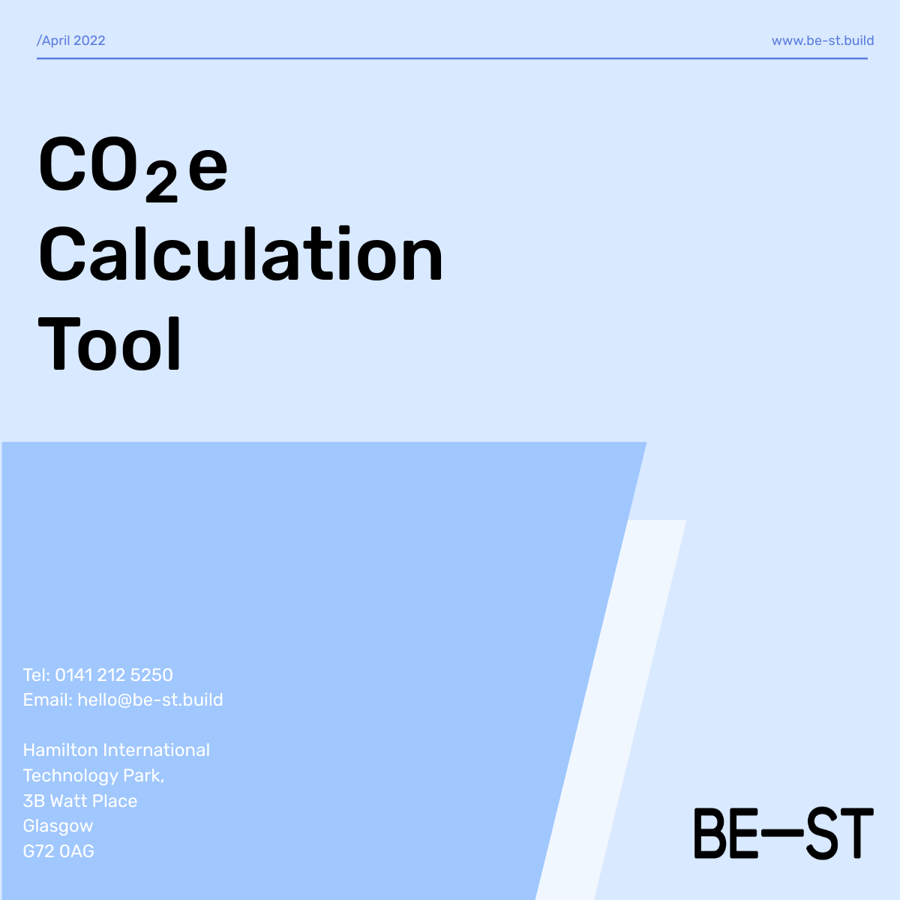

Instructions
 | Instructions

 | As part of the application process, applicants are required to report the estimated carbon savings that could be achieved with the implementation of their project. The aim of this document is to calculate and document these potential carbon emission savings. These savings can usually be achieved by replacing an existing product/material or process with a new product or process where either operational or embodied CO2e emissions are considered to be lower. Common carbon savings include low carbon materials, reduced transportatation, energy efficiency, renewable energy systems, fossil fuel removal and circular economy. It should be noted, that CO2e savings can only be recorded for projects where quantifiable data can be gathered. The first step of this process is to establish the scope of your project. This can be done by looking at the Life Cycle stages of a typical built environment project and to determine at which stage the project could have a positive carbon footprint impact. In some instances the impacts will only be achieved at one stage. This could be for example at the disposal stage where a new process has been identified to decommision a product in a more environmentally friendly way. But in some cases significant carbon savings could potentially be achieved throughout the whole life cycle (cradle to grave) of the product. It is advised to intially concentrate on the stages where highest savings are expected to be achieved.

1

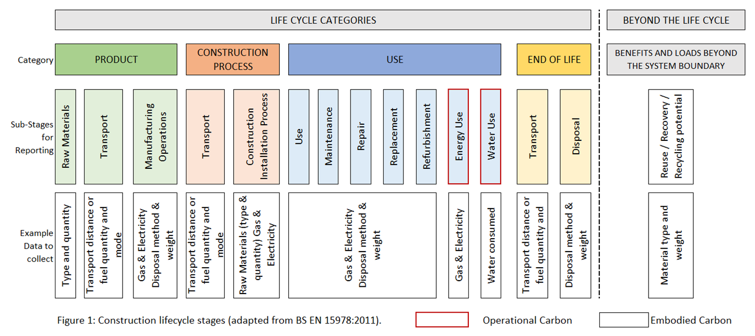

2 | The next step is to establish if the savings expected are Embodied Carbon or Operational Carbon. Considering the nature of the projects within the built evironment, it is expected that majority of projects will come under embodied carbon category. This is when new products are designed with low carbon materials. There are separate tabs in this document to calulate embodied and operational carbon. These tabs include links to a database which are used to retrieve conversion factors required for the calculations. These sources are external and are not updated by CSIC. It is possible to use other sources than the ones in this document and in this case should be added to the 'Additional Links' tab. It should be noted, that the transportation of materials should be calculated under the 'Operational Carbon' tab although it is considered as part of the embodied carbon of the product. Same for any energy demand required during manufacturing or installation process.

3 | An important step is to determine the functional unit that will be the base for calculating the potential carbon emission savings for your product or service. This is so that the proposed product is comparable to a product that is currently utilised. A Functional Unit (FU) could for example be '3 bedroom house (average floor area)' , '1 eco brick' or '10m2 roof/wall'. A carbon emission saving can only be calculated if it can be compared to another product or service with a high carbon footprint.

4 | Once all the above steps have been considered please fill in the data in the next three tabs.

